Sheet2
Work location | (All)

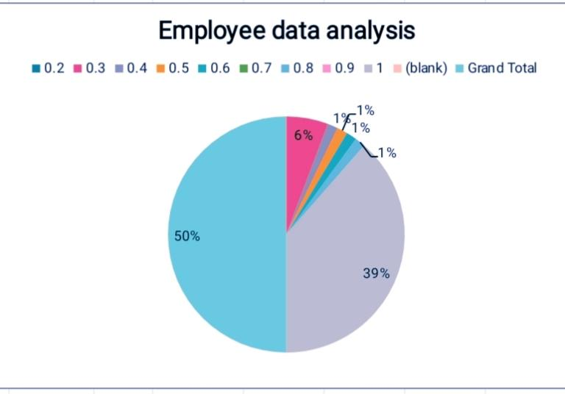
Count of Start Date | Column Labels
Row Labels | Fixed Term | Permanent | Temporary | (blank) | Grand Total
0.2 |  | 2 | 1 |  | 3
0.3 | 4 | 6 | 2 |  | 12
0.4 | 1 | 4 | 1 |  | 6
0.5 | 1 | 1 |  |  | 2
0.6 | 1 | 2 | 1 |  | 4
0.7 |  | 2 | 3 |  | 5
0.8 | 1 | 8 | 2 |  | 11
0.9 |  | 3 |  |  | 3
1 | 27 | 99 | 24 |  | 150
(blank)
Grand Total | 35 | 127 | 34 |  | 196

